1. Title Page
Joe's Corner Shop Analysis

Project Name: Joe's Corner Shop Analysis
Date: 12/05/2022
Analyst Name: Jay Thomson

Contents:
Population Flow
Consistency checks
Wrangling steps
Column derivations
Visualizations
Recommendations

Objective:

You’re an analyst for an existing company, Instacart, an online grocery store that operates through an app. Instacart already has very good sales, but they want to uncover more information about their sales patterns. Your task is to perform an initial data and exploratory analysis of some of their data in order to derive insights and suggest strategies for better segmentation based on the provided criteria.

2. Population Flow
Title page

Population flow

Exclusion flag
Condition: max_order <
Obervations to be removed:
Final total count of order_products_all:

Orders_products_combined
Orders_products_merged
Orders_products_all

Total: 32 404 859
Total: 32 642 450
Total: 32 404 859

1.) The grey boxes in the first row of the population flow represent the original data sets as they were when you downloaded them. In the Total fields you need to add the count of the rows when you imported the data set into Jupyter.
2.) The second row of boxes (coloured) represents the data sets after you manipulated them, e.g., removed missing values and duplicates. In the Total fields you need to add the count of the rows after conducting these operations. This offers a visual oveview of how the data flows throughout the data consistency checks.
3.) The third row, where also the arrows are coloured, represents the merges you performed between the datasets. In the Total fields you need to add the count of the rows in the merged datasets, so that you end up with the final dataset (in the red box). Keep in mind the final dataset should be without exclusions (based on the exclusion flag).

3. Consistency checks
 |  |  |  | Title page
Consistency checks

Dataset | Missing values | Missing values treatment | Duplicates
orders | 'days_since_prior_order' - 206 209 | Flagged as new customers | None
products | ' product_name' - 16 |  | 5 duplicates
 | value 99 999 and 14 900 | Removed all data lines with these two values
orders_products_prior | None | N/A | None
customers | ' first_name' - 11259 | Kept data as it is useful for the analysis | None

4. Wrangling steps
 |  |  |  | Title page
Wrangling steps

Columns dropped | Columns renamed | Columns' type changed | Comment/Reason
'eval_set' | - | - | Had no influence on the DF
 | order_dow' |  | Changed to 'orders_day_of_week'
 | "first_Name" |  | Put all columns in same format
 | "surname" |  | Put all columns in same format
 | "gender" |  | Put all columns in same format
 | "state" |  | Put all columns in same format
 | "age" |  | Put all columns in same format
 | "number_of_dependents" |  | Put all columns in same format
 | "family_status" |  | Put all columns in same format

5. Column derivations
 |  |  |  | Title page

Column derivations and aggregations

In this tab you should add tables below that the frequences of flags/label variables that you produced after deriving them. NB: don't do this for continuous variables, only for flags.
Dataset | New column | Column/s it was derived from | Conditions
ords_prods_custs_merge | "busiest_day" | "orders_day_of_week" | "Busiest day", "Least busy" and "regularly busy" based on total orders per each day
 | "busiest_period_of_day" | "order_hour_of_day" | "Most orders", "fewest orders", and "average orders" based ontotal orders per each time of day
 | "spending_flag" | "average_user_price" | Whether average user price is greater than or equal to 10
 | "order_frequency" | "days_since_prior_order" | Frequent customer flag based on how many days since last order

ords_prods_custs_merge | "region" | "state" | Grouped states into 4 regions of the US
 | "age_profile" | "age" | Grouped ages into mostly 10 year intervals
 | "income_profile" | "income" | Grouped incomes into mostly $25,000 intervals
 | "goods_profile" | "department_id" | Grouped values of "department_id" into respective group names
 | "dependents_profile" | "n_dependants" | Grouped customers by parental status

6. Visualizations
 |  |  |  |  | Title page

Visualisations

In this tab you should include all the visualtions from Exercises 4.9 and 4.10, alongside the questions from the project brief that they answer. Include any commentary on the relationship between different variables.

1 | The sales team needs to know what the busiest days of the week and hours of the day are (i.e., the days and times with the most orders) in order to schedule ads at times when there are fewer orders
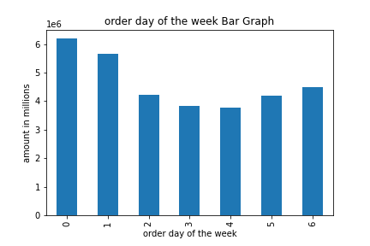

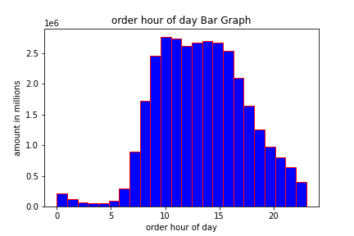

 |  | Busiest days at Joe's corner shop. |  | Busiest hours of the day at Joe's corner shop

2 | They also want to know whether there are particular times of the day when people spend the most money, as this might inform the type of products they advertise at these times.

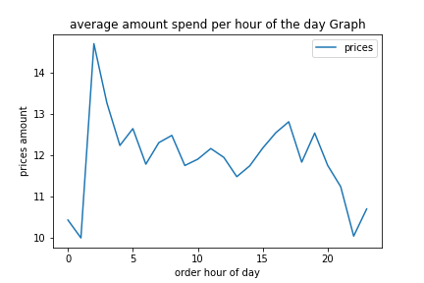

3 | Instacart has a lot of products with different price tags. Marketing and sales want to use simpler price range groupings to help direct their efforts

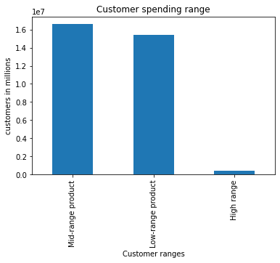
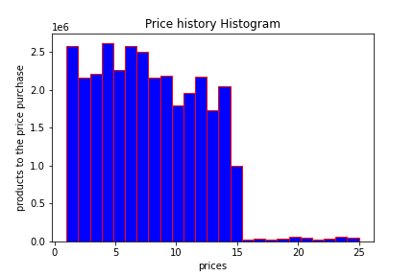

 |  | Price history

4 | Are there certain types of products that are more popular than others? The marketing and sales teams want to know which departments have the highest frequency of product orders.

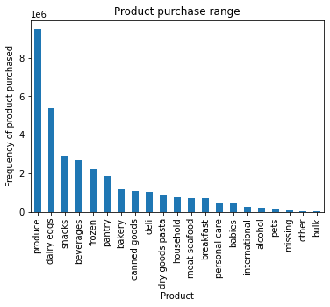

 |  |  | Bar chart of the favorite departments

5 | The marketing and sales teams are particularly interested in the different types of customers in their system and how their ordering behaviors differ. For example:

 |  | What’s the distribution among users in regards to their brand loyalty (i.e., how often do they return to Instacart)?

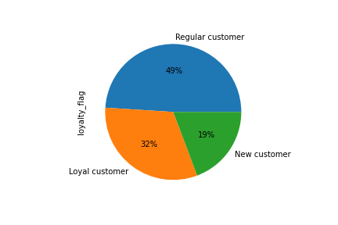

 |  | Are there differences in ordering habits based on a customer’s loyalty status

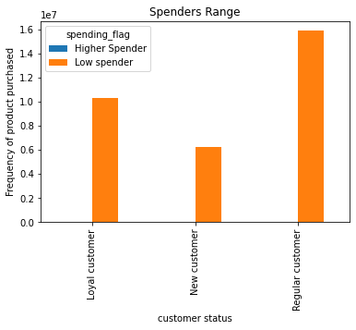

 |  | Are there differences in ordering habits based on a customer’s region?

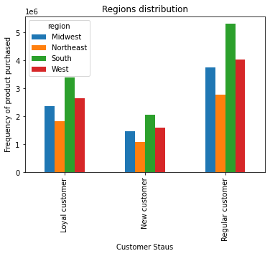

 |  | Is there a connection between age and family status in terms of ordering habits?

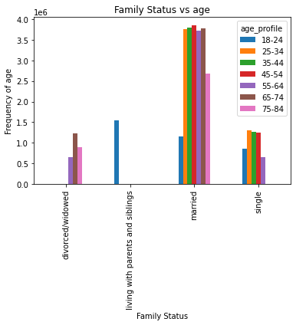
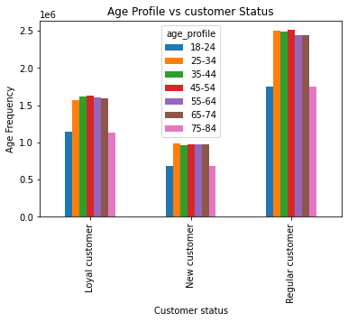
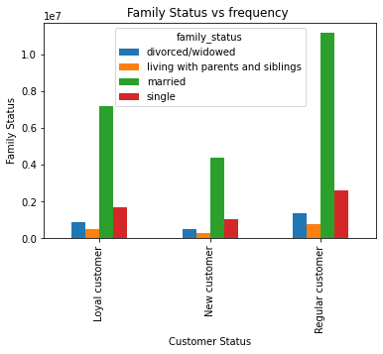

 |  | What different classifications does the demographic information suggest? Age? Income? Certain types of goods? Family status?

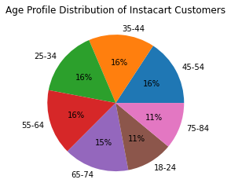
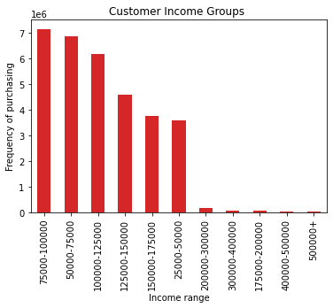

 |  | What differences can you find in ordering habits of different customer profiles? Consider the price of orders, the frequency of orders, the products customers are ordering, and anything else you can think of.

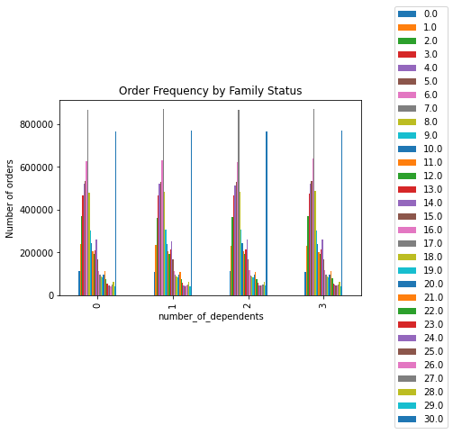
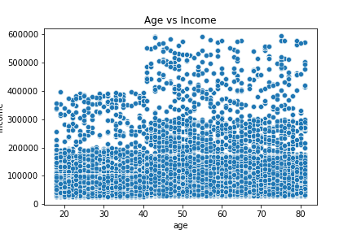
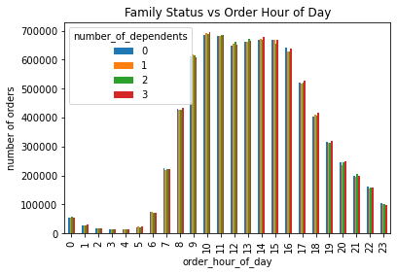

"C:\Users\thoms\Desktop\Data Analytics\Achievement 4\Instacart Basket Analysis\04 Analysis\Visualizations\bar_orders_dow.png"
"C:\Users\thoms\Desktop\Data Analytics\Achievement 4\Instacart Basket Analysis\04 Analysis\Visualizations\bar_orders_dow.png"

7. Recommendations
 |  |  |  | Title page

Recommendations

In this tab you should include any recommendations you would made to Instcart in terms of their marketing strategy based on the questions posed in the brief. Every key question has been covered in the Tasks of the Exercises - here you need to add an item - a visualisation or table/crosstable that is showing the answer in the data, acompanied by a comment from you. Please, list the questions below and add the answer underneath.

 | Question |  | Answer
1 | The sales team needs to know what the busiest days of the week and hours of the day are (i.e., the days and times with the most orders) in order to schedule ads at times when there are fewer orders

 |  | The busiest days for Instacart is on Saturday, Sunday and Friday.
 |  | The busiest hours of the day are between around 10 am and up until just after 3 pm.

2 | They also want to know whether there are particular times of the day when people spend the most money, as this might inform the type of products they advertise at these times.

 |  | The most money is spent between 2:30 am and 3 am on Instacart

3 | Instacart has a lot of products with different price tags. Marketing and sales want to use simpler price range groupings to help direct their efforts

 |  | The recommendation would be to focus on the products in the mid-range. Thus, between 7 to 15.

4 | Are there certain types of products that are more popular than others? The marketing and sales teams want to know which departments have the highest frequency of product orders.

 |  | The most ordered products are as follows:
 |  | 1. Is from the produce section
 |  | 2. Is from the dairy eggs section
 |  | 3. Is from the snacks section
 |  | 4. Is from the beverages section
 |  | 5. Is from the frozen section

5 | The marketing and sales teams are particularly interested in the different types of customers in their system and how their ordering behaviors differ. For example:

 |  | What’s the distribution among users in regards to their brand loyalty (i.e., how often do they return to Instacart)?

 |  | Focus on the regular customers as they are 49% of our customers. They are customers that have order between 10 and 40 times from us. The real loyal customers are worth 32% and have made more than 40 orders at instacart.

 |  | Are there differences in ordering habits based on a customer’s loyalty status

 |  | The majority of the customers are low spenders even if they are loyal or new. They are spending on average 10 every time they shop at Instacart

 |  | Are there differences in ordering habits based on a customer’s region?

 |  | Yes, there are differences as we see the most regular customers come from all the states. The south is our leader in all 3 parts of the customer loyalty

 |  | Is there a connection between age and family status in terms of ordering habits?

 |  | Majority of the instacart customers are married and are with the age of 25 and 75. There is no exact age that stands above the rest.

 |  | What different classifications does the demographic information suggest? Age? Income? Certain types of goods? Family status?

 |  | Not many notible differences in the age groups, the customers of instacart earn between 50k and 125k making them part of the middle class to rich customers.

 |  | What differences can you find in ordering habits of different customer profiles? Consider the price of orders, the frequency of orders, the products customers are ordering, and anything else you can think of.

 |  | The buying consistency stays with in the norm when it comes to families with more than 1 dependent. Shopping times are the same for all ages and the only one that makes a difference is the income with age. This increases considerablely with age.

 | Final Recommendation:

 |  | My final recommendation to the Instacart team would be to be more focused on family-orientated marketing and sale programs that will help keep families coming back regularly. Further focus can be put on the ranges of products that are sold frequently, offering these products in more variety or sort after products. Finally, I would recommend that a big focus should be put on the group stated as "regular customers" and see how instacart can turn them into loyal customers. This might mean offering a better loyalty program or more advantages to being loyal to instacart.

